Email Ex GB
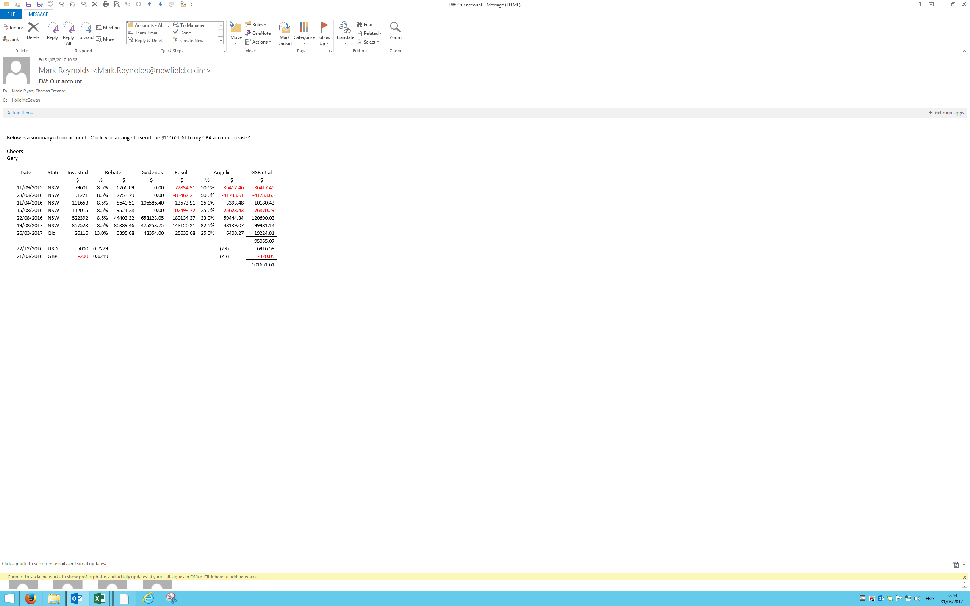

Ex Reports 66113346
Float 66113346

 |  |  |  |  |  |  | Angelic City |  |  |  | Gary Benson |  |  |  | Total

 | Wagering | Return | Return | % | Share |  | Wagering | Return | Return |  | Wagering | Return | Return |  | Wagering | Return | Return
Date | Turnover | Dividends | Rebate | Rebate % | Angelic City | Gary Benson | Turnover | Dividends | Rebate | Profit / (Loss) | Turnover | Dividends | Rebate | Profit / (Loss) | Turnover | Dividends | Rebate | Profit / (Loss)

2015-04-20 | 47,038.00 | - | 5,174.18 | 11.00% | 50% | 50% | (23,519.00) | 0.00 | 2,587.09 | (23,519.00) | (23,519.00) | 0.00 | 2,587.09 | (20,931.91) | (47,038.00) | 0.00 | 5,174.18 | (41,863.82)

2015-06-15 | 20,865.00 | 21,935.00 | 2,295.15 | 11.00% | 50% | 50% | (10,432.50) | 10,967.50 | 1,147.58 | 535.00 | (10,432.50) | 10,967.50 | 1,147.58 | 1,682.58 | (20,865.00) | 21,935.00 | 2,295.15 | 3,365.15

2017-03-26 | 26,196.00 | 48,354.00 | 3,405.48 | 13.00% | 25% | 75% | (6,549.00) | 12,088.50 | 2,554.11 | 5,539.50 | (19,647.00) | 36,265.50 | 2,554.11 | 19,172.61 | (26,196.00) | 48,354.00 | 5,108.22 | 27,266.22

2017-05-21 | 6,321.00 |  | 821.73 | 13.00% | 25% | 75% | (1,580.25) | 0.00 | 616.30 | (1,580.25) | (4,740.75) | 0.00 | 616.30 | (4,124.45) | (6,321.00) | 0.00 | 1,232.60 | (5,088.41)

2017-08-20 | 6,989.00 | 25,732.50 | 908.57 | 13.00% | 25% | 75% | (1,747.25) | 6,433.13 | 681.43 | 4,685.88 | (5,241.75) | 19,299.38 | 681.43 | 14,739.05 | (6,989.00) | 25,732.50 | 1,362.86 | 20,106.36

 | 107,409.00 | 96,021.50 | 12,605.11 |  |  |  | (43,828.00) | 29,489.13 | 7,586.50 | (14,338.88) | (63,581.00) | 66,532.38 | 7,586.50 | 10,537.88 | (107,409.00) | 96,021.50 | 15,173.00 | 3,785.50

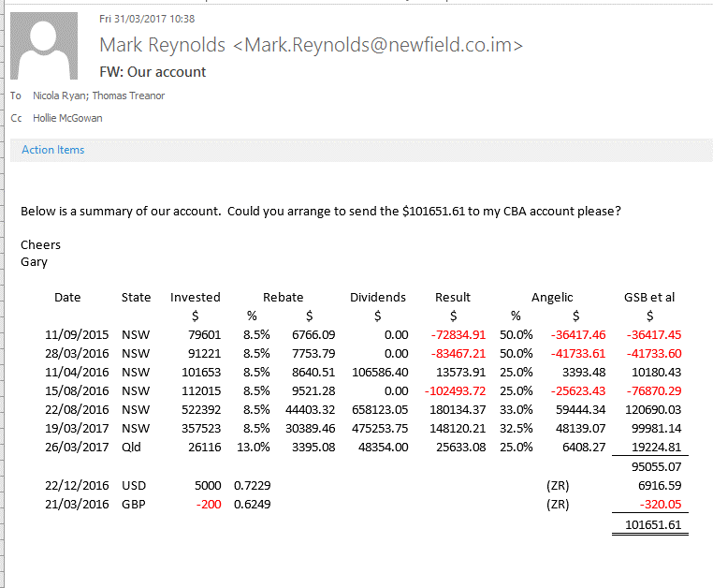
 |  |  |  |  |  |  |  |  |  |  | This was owed to Gary Benson from Angelic City |  |  | 10,537.88

 |  |  |  |  |  |  |  |  |  |  | This was paid to Gary Benson |  | 2017-04-18 | (19,224.81)

 |  |  |  |  |  |  |  |  |  |  | This amount is owed by Gary Benson to Angelic City |  |  | (8,686.94)

